Sheet1
 |  | Document No. | Issue No. | Issue Date |  |  | Review and Replace Date |  | Authorised By
 |  | GFF238-1MC | 1 | 17.10.2022 |  |  | New document |  | Magda Shah
 |  | Document Title | PRM-5 Vegetable Samosa 200g

Document amendments reason for change |  | Only For PRM |  | Page 1 of 1 |  | Previous Issue Date |  | New document | Uncontrolled copy unless signed original

CVSA1C-R6T | GAZEBO-PRM |  | 5 Vegetable Samosa 200g

 |  |  |  |  | 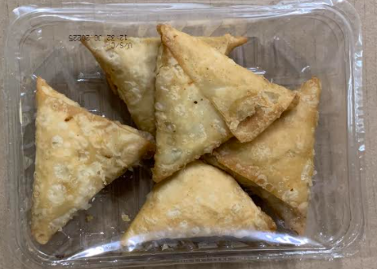

Tray: SK4 Plain Clear (PKESS001-07) |  |  |  |  | Vegetable Samosa (GFF003R) 40g: 5 pieces
Film: ME300AFV2, 300mmx 1000m (PKPRO001-16) |  |  |  |  | Total Weight: 200g
ALLERGY ALERT: WHEAT

